Sheet1
COVERSHEET | CE | QA | QA DATE | GUIDECARD/S | CHECKLIST | WEIGHT | PAGE | ERROR DESCRIPTION | CORRECTION | OCCURENCES
330.105 Fixed rate finance lease — payments in advance (master lease agreement) | joly | joly | 2021-10-08 | PCTS |  |  | 34
 |  |  |  |  |  |  |  | 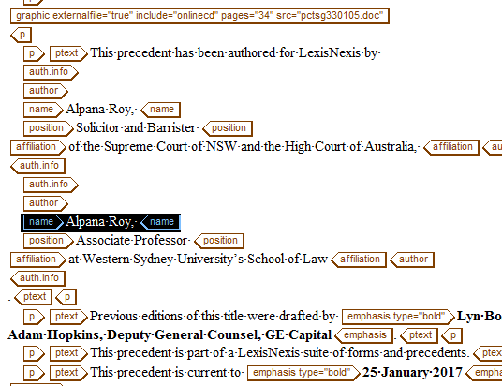 | Omit name of author and replace a thinspace
 |  |  |  |  |  |  |  | 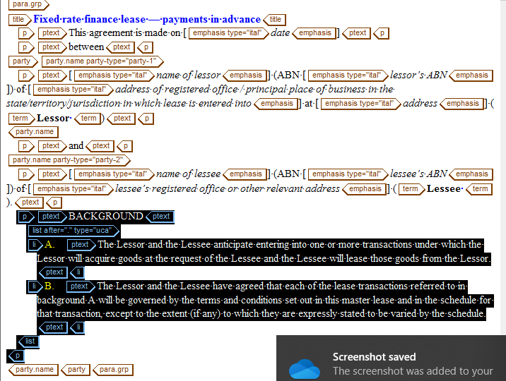 | In correct nesting
 |  |  |  |  |  |  |  |  | background must be on a clause-group tag
 |  |  |  |  |  |  |  |  | provide xref (background A.)
 |  |  |  |  |  |  |  |  | in correct markup(sb)
 |  |  |  |  |  |  |  |  | provide xref (paragraph 1.1.a)
 |  |  |  |  |  |  |  |  | change clausegroup (GRP1) into (GRP2)
 |  |  |  |  |  |  |  |  | REPLACE ALL ID inside of this clause group (GRP1) into (GRP2)
 |  |  |  |  |  |  |  |  | missing content (;)
 |  |  |  |  |  |  |  |  | omit added content
 |  |  |  |  |  |  |  |   | all Xref has un active please select(yes)
 |  |  |  |  |  |  |  | 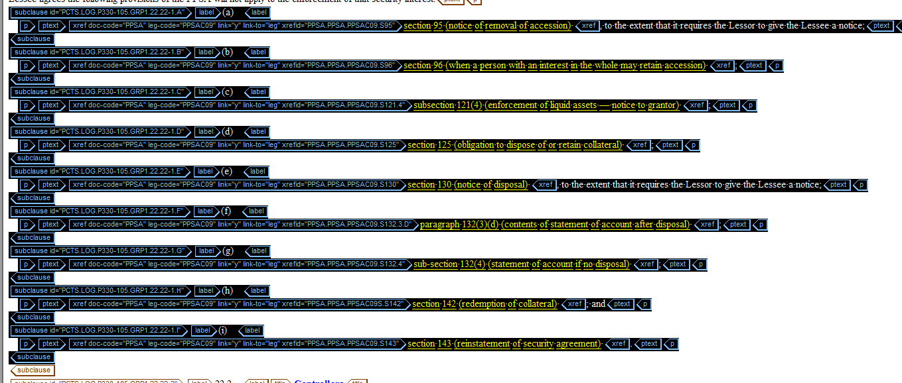 | move some text outside of this xref
 |  |  |  |  |  |  |  |  | all Xref has un active please select(yes)
 |  |  |  |  |  |  |  |  | missing content (;)

